First case - Pp1
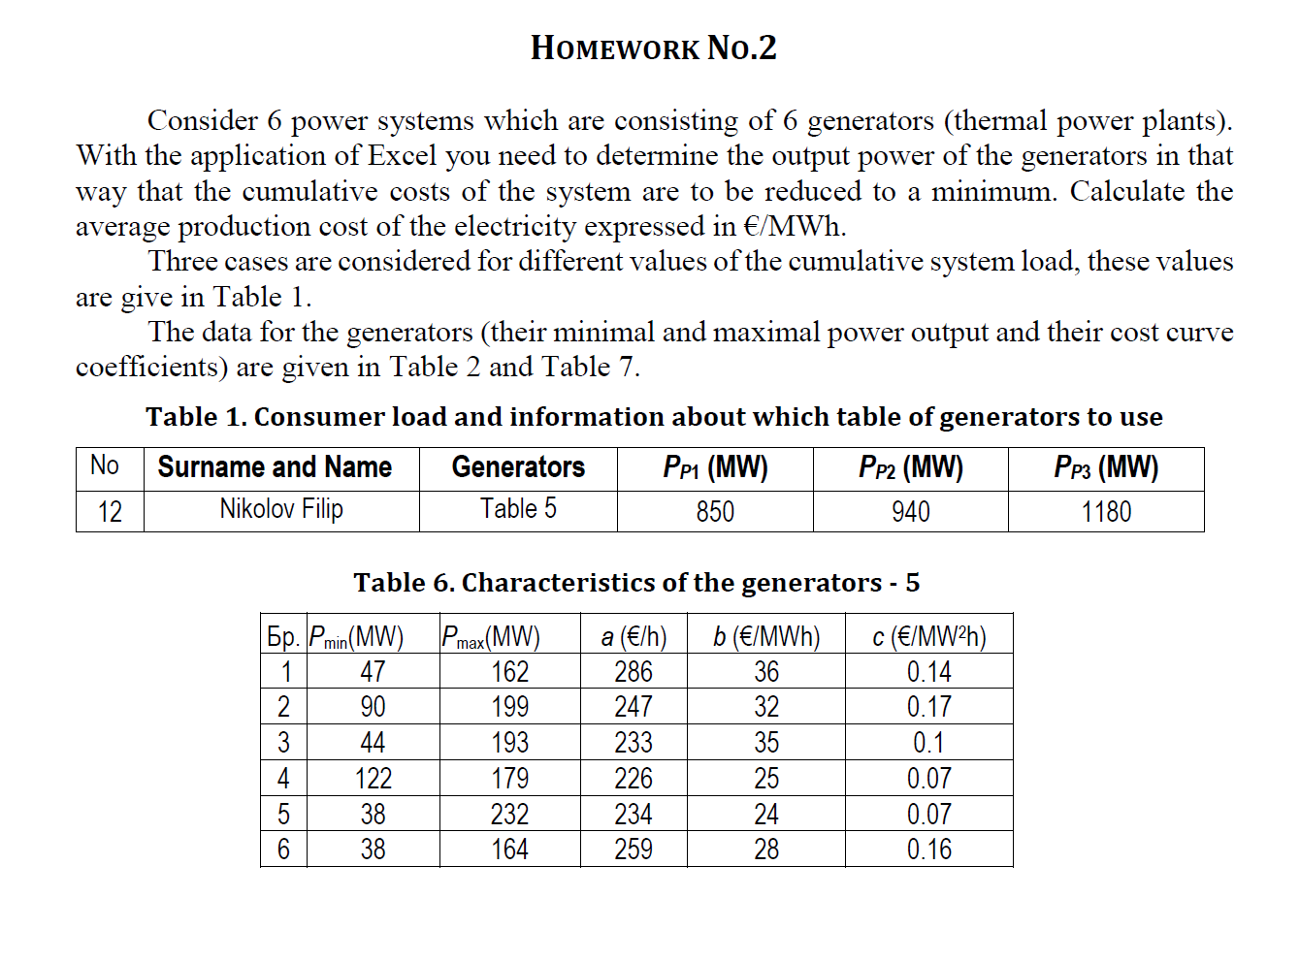
Бр. | Pmin(MW) | Pmax(MW) | а (€/h) | b (€/MWh) | c (€/MW2h) | Pg (MW) | f (€/h)
1 | 126 | 222 | 255 | 28 | 0.16 | 126.00 | 6323.16
2 | 94 | 167 | 167 | 31 | 0.12 | 151.76 | 7635.55
3 | 83 | 238 | 288 | 38 | 0.14 | 105.08 | 5827.11
4 | 124 | 213 | 157 | 24 | 0.09 | 213.00 | 9352.21
5 | 88 | 225 | 166 | 35 | 0.13 | 124.71 | 6552.35
6 | 58 | 169 | 276 | 26 | 0.16 | 129.45 | 6322.72
 |  |  |  |  | ΣPg (MW) | 850.00 | 42013.11
 |  |  |  |  | Pp (MW) | 850.00

